Tuning
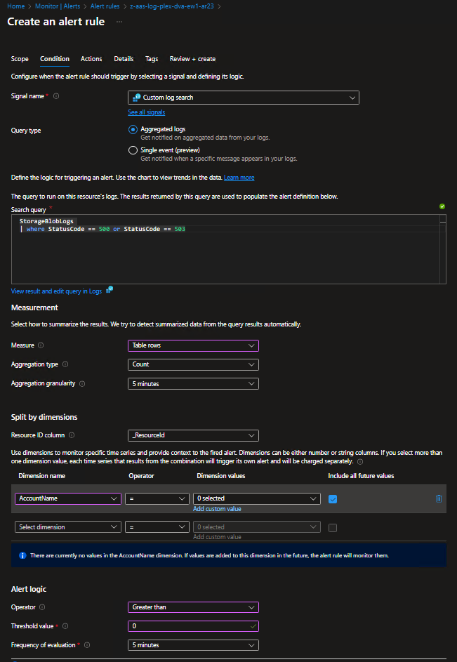
z-aas-log-plex-dva-ew1-ar01
NEJSOU DATA V LOG ANALYTICS. AVAILABILITY TEST NENÍ NASTAVEN PRO ŽÁDNY APP INSIGHTS IN DEV.
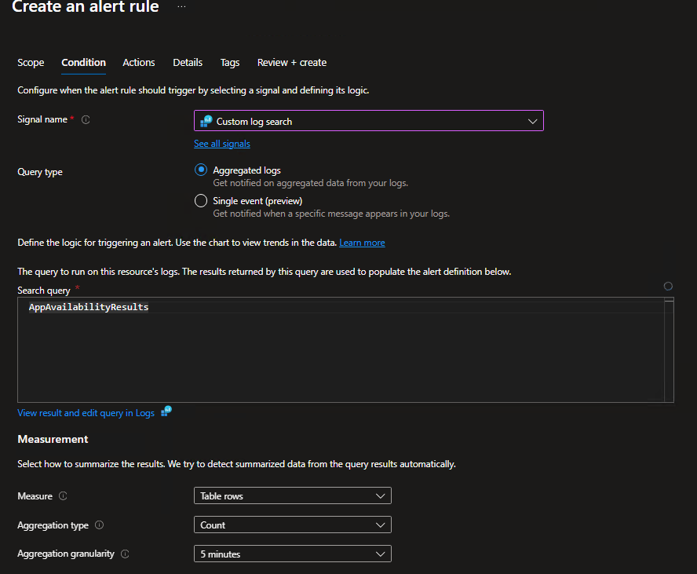

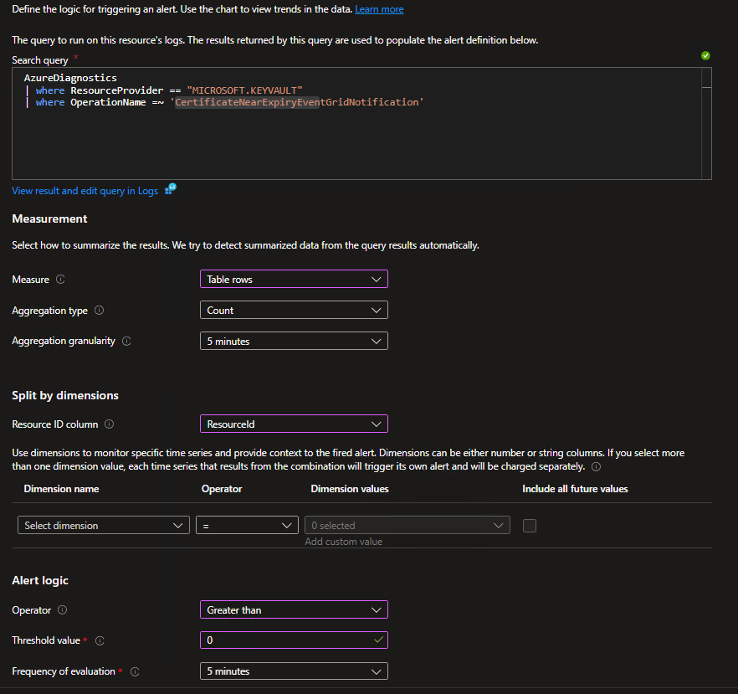
z-aas-log-plex-dva-ew1-ar39

z-aas-log-plex-dva-ew1-ar18
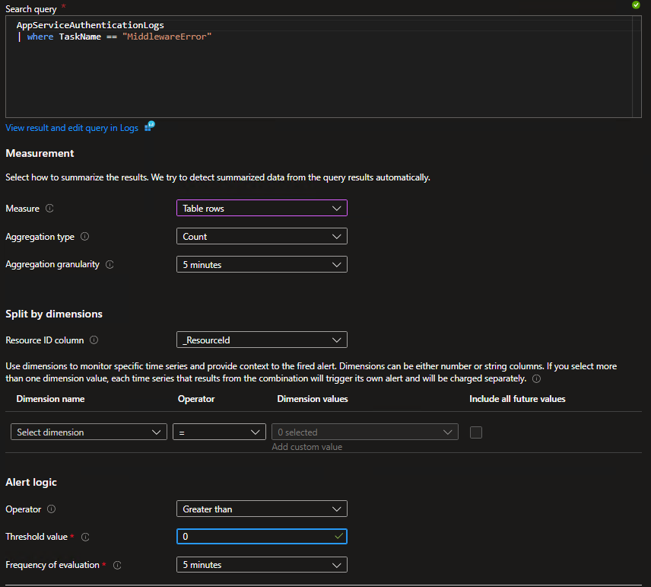

ar

z-aas-log-plex-dva-ew1-ar13
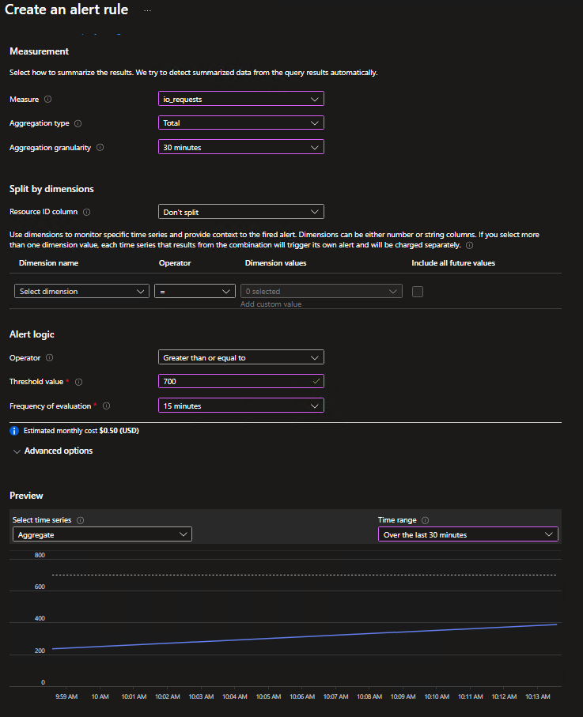

z-aas-log-plex-dva-ew1-ar14 - Nejsou zatím data v log analytics ačkoli, diag je nastaven. Jakmile se v tabulce objeví, vyskoči alert a pak je tťeba donastavit treshold.
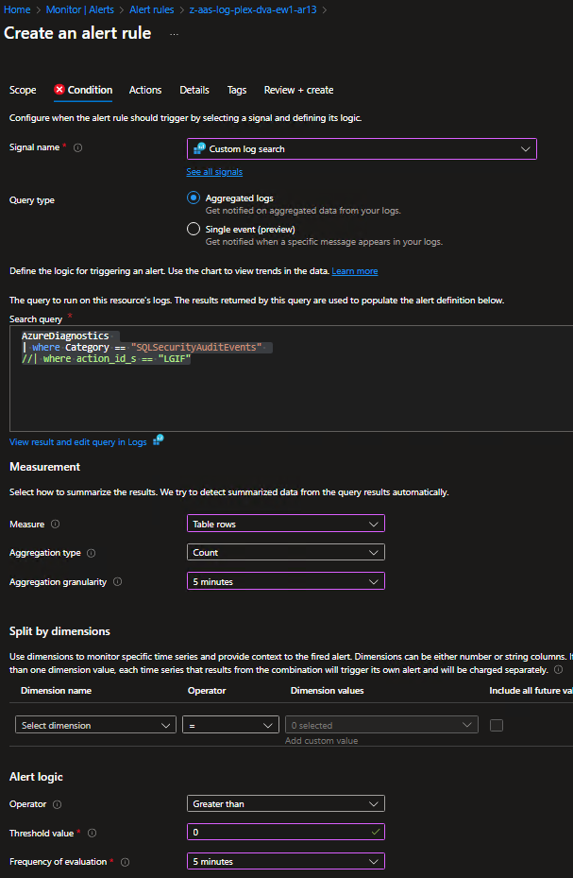

z-aas-log-plex-dva-ew1-ar13 for preprod a prod treshold needs to be different!
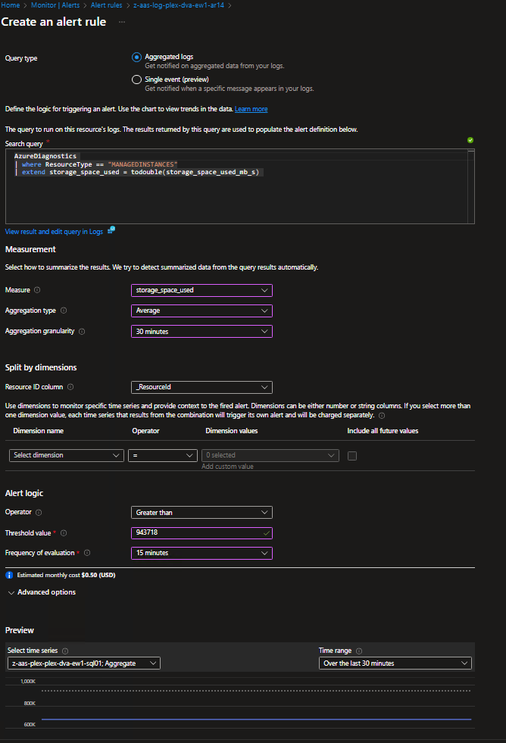

z-aas-log-plex-dva-ew1-ar24 - NEJSOU DATA V LOG ANALYTICS. Musí se doladit

